DFM template
Seeed DFA report
Project Name： |  | Prepared by: Qiaoyu Lin |  |  |  | Date: 20220228
Item | Problem description 问题描述 | Reference location 影响位置 | Impact 影响 | Image 图片 | Seeed Suggestion 矽递建议 | Customer feedback 客户反馈 | Severity 严重度 | Status 状态
1 | The L2 is not match with dataseet | L2 | couldn't be soldered in the pads well | 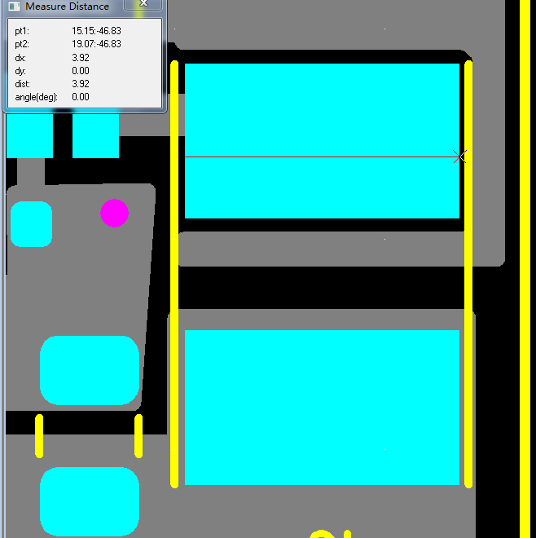 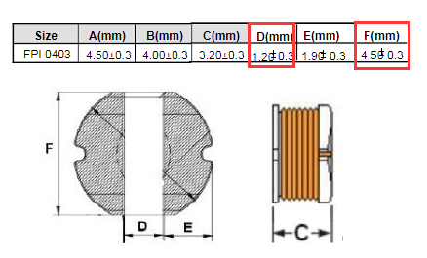 | Please update the Gerber to match with datasheet |  | High | open
2 |  |  |  |  |  |  | Middle | open
3 |  |  |  |  |  |  | Middle | open
4 |  |  |  |  |  |  | Middle | open
5 |  |  |  |  |  |  | Middle | open
6 |  |  |  |  |  |  | Middle | open
7 |  |  |  |  |  |  | Middle | open
8 |  |  |  |  |  |  | Middle | open

